1 AC Pop Projections and i11v6
Auckland Council population projections (Total Auckland), March 2023, and comparisons with i11v6 (the 2021-2023 LTP growth scenario used by council)
Worksheet 1 of 4

Projections dated March 2023 were supplied by Stats NZ according to assumptions agreed to by Auckland Council. For details on assumptions used, see Worksheets 2, 3 and 4.

i11v6 projections were published by Auckland Council in August 2020

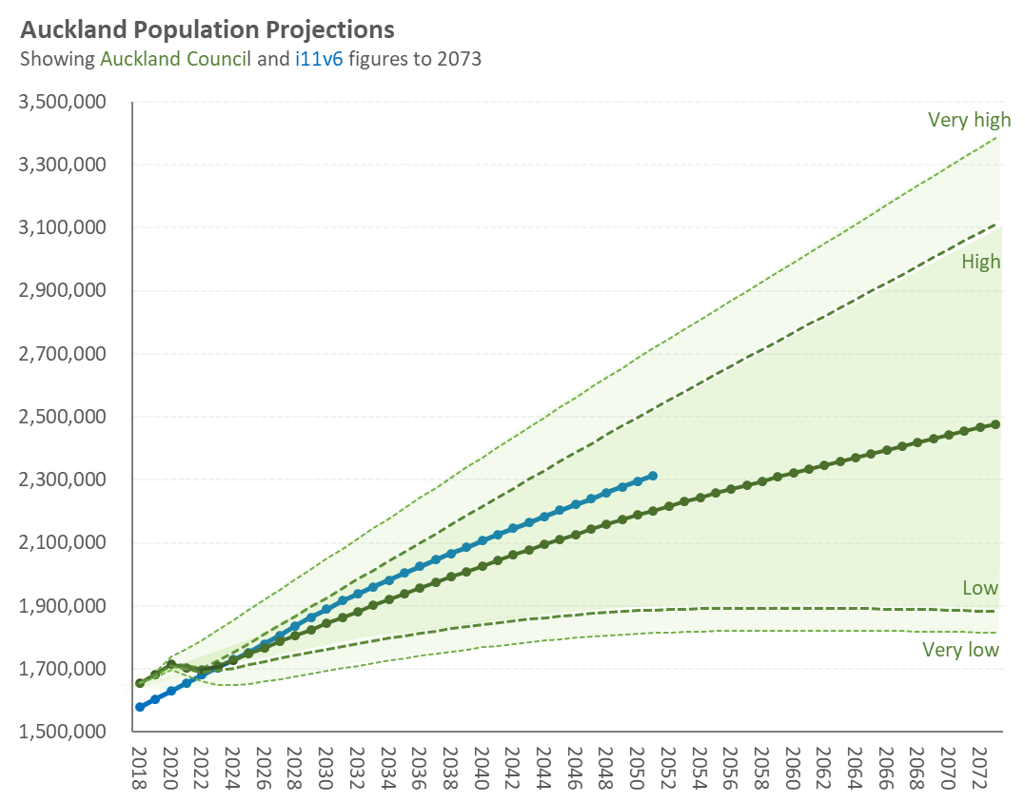
Medium
i11v6
Table 1.1 Auckland Council population projections, March 2023, compared with i11v6 |  |  |  |  |  |  | Figure 1.1 Auckland Council projections to 2073; i11v6 figures to 2051
See notes on the different scenarios at the bottom of the table

Year (as at June 30) | Auckland Council population projections, March 2023 |  |  |  |  | i11v6
 | Very high [1] | High [2] | Medium [3] | Low [4] | Very low [5]
2018 | 1,654,800 | 1,654,800 | 1,654,800 | 1,654,800 | 1,654,800 | 1,577,806
2019 | 1,689,400 | 1,682,900 | 1,681,300 | 1,679,600 | 1,672,700 | 1,603,827
2020 | 1,739,700 | 1,717,500 | 1,714,200 | 1,710,800 | 1,697,000 | 1,630,184
2021 | 1,763,400 | 1,709,100 | 1,704,100 | 1,699,100 | 1,678,100 | 1,655,905
2022 | 1,791,600 | 1,702,100 | 1,695,500 | 1,688,800 | 1,660,400 | 1,681,229
2023 | 1,823,100 | 1,725,800 | 1,710,000 | 1,694,200 | 1,648,500 | 1,704,547
2024 | 1,855,100 | 1,752,200 | 1,727,400 | 1,702,500 | 1,648,900 | 1,729,330
2025 | 1,887,200 | 1,781,400 | 1,747,700 | 1,713,500 | 1,652,500 | 1,752,806
2026 | 1,919,400 | 1,810,500 | 1,767,500 | 1,724,100 | 1,659,500 | 1,778,664
2027 | 1,951,800 | 1,839,500 | 1,787,000 | 1,734,200 | 1,666,900 | 1,806,884
2028 | 1,984,100 | 1,868,300 | 1,806,100 | 1,743,900 | 1,674,800 | 1,836,247
2029 | 2,016,600 | 1,897,000 | 1,825,100 | 1,753,300 | 1,684,200 | 1,864,544
2030 | 2,049,100 | 1,925,900 | 1,844,100 | 1,762,500 | 1,693,300 | 1,889,829
2031 | 2,081,500 | 1,954,900 | 1,863,200 | 1,771,700 | 1,702,100 | 1,916,802
2032 | 2,113,800 | 1,984,000 | 1,882,200 | 1,780,700 | 1,710,500 | 1,938,620
2033 | 2,146,100 | 2,013,400 | 1,901,300 | 1,789,600 | 1,718,700 | 1,960,438
2034 | 2,178,300 | 2,042,300 | 1,919,800 | 1,797,800 | 1,726,600 | 1,982,257
2035 | 2,210,500 | 2,071,200 | 1,938,100 | 1,805,700 | 1,734,200 | 2,004,075
2036 | 2,242,700 | 2,100,000 | 1,956,200 | 1,813,300 | 1,741,500 | 2,025,893
2037 | 2,274,800 | 2,128,900 | 1,974,200 | 1,820,600 | 1,748,500 | 2,046,007
2038 | 2,306,900 | 2,157,700 | 1,991,900 | 1,827,600 | 1,755,300 | 2,066,121
2039 | 2,338,900 | 2,186,500 | 2,009,500 | 1,834,200 | 1,761,800 | 2,086,235
2040 | 2,370,800 | 2,215,300 | 2,027,000 | 1,840,600 | 1,768,000 | 2,106,349
2041 | 2,402,700 | 2,244,100 | 2,044,200 | 1,846,700 | 1,774,000 | 2,126,463
2042 | 2,434,600 | 2,272,800 | 2,061,300 | 1,852,400 | 1,779,600 | 2,145,580
2043 | 2,466,400 | 2,301,500 | 2,078,100 | 1,857,800 | 1,784,800 | 2,164,698
2044 | 2,498,100 | 2,330,100 | 2,094,600 | 1,862,700 | 1,789,700 | 2,183,816
2045 | 2,529,800 | 2,358,700 | 2,111,000 | 1,867,300 | 1,794,200 | 2,202,934
2046 | 2,561,400 | 2,387,200 | 2,127,100 | 1,871,600 | 1,798,400 | 2,222,052 | Figure 1.2 Auckland Council projections to 2053; i11v6 figures to 2051 | Figure 1.3 Auckland Council and i11v6 projections to 2033
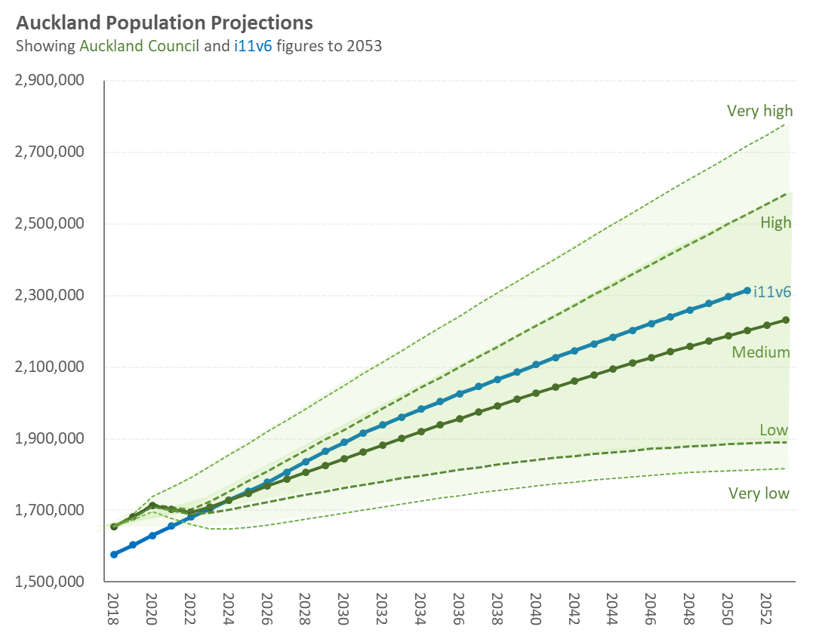
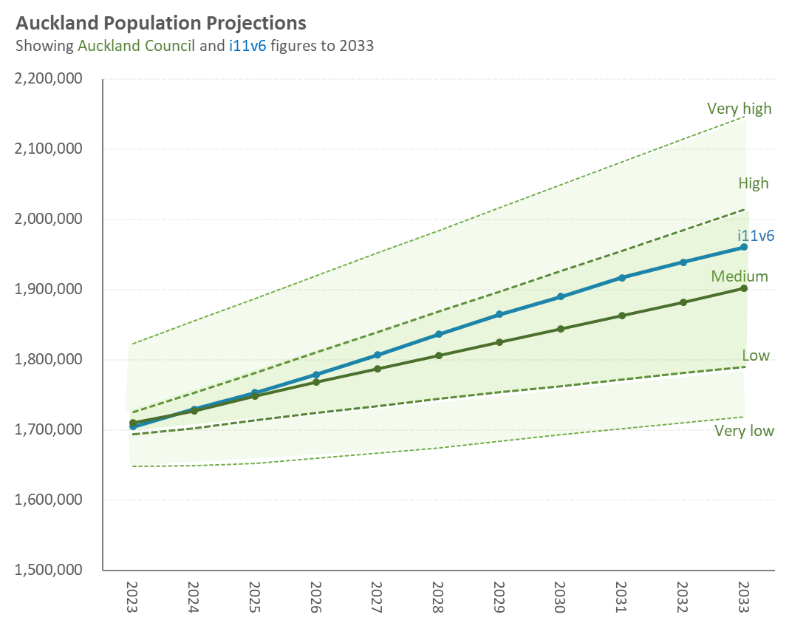
2047 | 2,592,900 | 2,415,600 | 2,142,900 | 1,875,400 | 1,802,200 | 2,240,524
2048 | 2,624,300 | 2,443,700 | 2,158,400 | 1,878,900 | 1,805,700 | 2,258,995
2049 | 2,655,300 | 2,471,500 | 2,173,400 | 1,881,900 | 1,808,700 | 2,277,466
2050 | 2,686,300 | 2,499,100 | 2,188,200 | 1,884,500 | 1,811,300 | 2,295,938
2051 | 2,717,100 | 2,526,600 | 2,202,700 | 1,886,800 | 1,813,600 | 2,314,409
2052 | 2,747,800 | 2,553,900 | 2,216,900 | 1,888,700 | 1,815,600 | Not available
2053 | 2,778,400 | 2,581,100 | 2,230,800 | 1,890,300 | 1,817,300 | Not available
2054 | 2,808,900 | 2,608,000 | 2,244,400 | 1,891,500 | 1,818,600 | Not available
2055 | 2,839,200 | 2,634,700 | 2,257,600 | 1,892,300 | 1,819,500 | Not available
2056 | 2,869,500 | 2,661,300 | 2,270,600 | 1,892,800 | 1,820,100 | Not available
2057 | 2,899,700 | 2,687,800 | 2,283,500 | 1,893,100 | 1,820,500 | Not available
2058 | 2,930,000 | 2,714,300 | 2,296,200 | 1,893,300 | 1,820,900 | Not available
2059 | 2,960,200 | 2,740,700 | 2,308,800 | 1,893,300 | 1,821,100 | Not available
2060 | 2,990,400 | 2,767,100 | 2,321,200 | 1,893,100 | 1,821,100 | Not available
2061 | 3,020,600 | 2,793,400 | 2,333,500 | 1,892,800 | 1,821,000 | Not available
2062 | 3,050,900 | 2,819,700 | 2,345,700 | 1,892,300 | 1,820,900 | Not available
2063 | 3,081,200 | 2,846,200 | 2,358,000 | 1,891,900 | 1,820,700 | Not available
2064 | 3,111,500 | 2,872,700 | 2,370,200 | 1,891,400 | 1,820,500 | Not available
2065 | 3,141,900 | 2,899,200 | 2,382,400 | 1,890,800 | 1,820,300 | Not available
2066 | 3,172,400 | 2,925,800 | 2,394,500 | 1,890,200 | 1,820,100 | Not available
2067 | 3,202,800 | 2,952,400 | 2,406,600 | 1,889,400 | 1,819,700 | Not available
2068 | 3,233,200 | 2,979,100 | 2,418,600 | 1,888,500 | 1,819,200 | Not available
2069 | 3,263,600 | 3,005,900 | 2,430,700 | 1,887,600 | 1,818,600 | Not available
2070 | 3,294,000 | 3,032,800 | 2,442,600 | 1,886,500 | 1,818,000 | Not available
2071 | 3,324,300 | 3,059,600 | 2,454,400 | 1,885,200 | 1,817,100 | Not available
2072 | 3,354,500 | 3,086,300 | 2,466,100 | 1,883,700 | 1,816,000 | Not available
2073 | 3,384,500 | 3,113,100 | 2,477,600 | 1,881,800 | 1,814,600 | Not available

Footnotes
1. Extended single-year projections of the High scenario of the March 2021 release of SNZ's 2018-base projections using Stats NZ migration assumptions.
2. Extended single-year custom projections based on the December 2022 release of SNZ's 2018-base ("update") projections but using Auckland Council specific migration assumptions ('High' variant).
3. Extended single-year custom projections based on the December 2022 release of SNZ's 2018-base ("update") projections but using Auckland Council specific migration assumptions ('Medium' variant).
4. Extended single-year custom projections based on the December 2022 release of SNZ's 2018-base ("update") projections but using Auckland Council specific migration assumptions ('Low' variant).
5. Extended single-year projections of the Low scenario of the December 2022 release of SNZ's 2018-base ("update") projections using Stats NZ migration assumptions.

2 Net Migration Assumptions
Auckland Council population projections (Total Auckland), March 2023
Worksheet 2 of 4

Net migration assumptions, all scenarios, 5-year intervals

Table 2.1 Net migration assumptions, 5-year intervals
5 years ending 30 June | Very High | High | Medium | Low | Very Low
2023 | 95,000 | -200 | -7,700 | -15,200 | -60,000
2028 | 85,000 | 77,000 | 41,750 | 6,500 | -15,000
2033 | 85,000 | 80,000 | 45,000 | 10,000 | 10,000
2038 | 85,000 | 80,000 | 45,000 | 10,000 | 10,000
2043 | 85,000 | 80,000 | 45,000 | 10,000 | 10,000
2048 | 85,000 | 80,000 | 45,000 | 10,000 | 10,000
2053 | 85,000 | 80,000 | 45,000 | 10,000 | 10,000
2058 | 85,000 | 80,000 | 45,000 | 10,000 | 10,000
2063 | 85,000 | 80,000 | 45,000 | 10,000 | 10,000
2068 | 85,000 | 80,000 | 45,000 | 10,000 | 10,000
2073 | 85,000 | 80,000 | 45,000 | 10,000 | 10,000

Figure 2.1 Net migration assumptions, 5-year intervals
5-year net migration assumptions ending 30 June 2023, 2028, 2033 and 2038 (all subsequent years as per 5-year period ending 2038) Labels highlight net migration for 5yrs ending 30 June 2023

4 Low-Med-Hi Migr Assump Detail
Auckland Council population projections (Total Auckland), March 2023
Worksheet 4 of 4

Year by year net migration assumptions for the High, Medium and Low projections

(Note: Very high and Very low projections are based on published Stats NZ projections that use only 5-yearly interval assumptions)

Table 4.1 Auckland Council net migration assumptions for use in the development of Custom Population Projections produced by Stats NZ
Note: net migration assumptions reflect the combined effect of internal (domestic) and external (international) migration

Year Ending 30 June | High projection | Medium projection | Low projection | Notes
2019 | 13,600 | 13,600 | 13,600 | SNZ estimated net migration (as per Subnational population component change table https://nzdotstat.stats.govt.nz/wbos/Index.aspx?DataSetCode=TABLECODE7510) - see Table 4.2 below
2020 | 20,000 | 20,000 | 20,000 | SNZ estimated net migration (as per Subnational population component change table https://nzdotstat.stats.govt.nz/wbos/Index.aspx?DataSetCode=TABLECODE7510) - see Table 4.2 below
2021 | -22,900 | -22,900 | -22,900 | SNZ estimated net migration (as per Subnational population component change table https://nzdotstat.stats.govt.nz/wbos/Index.aspx?DataSetCode=TABLECODE7510) - see Table 4.2 below
2022 | -20,900 | -20,900 | -20,900 | SNZ estimated net migration (as per Subnational population component change table https://nzdotstat.stats.govt.nz/wbos/Index.aspx?DataSetCode=TABLECODE7510) - see Table 4.2 below
2023 | 10,000 | 2,500 | -5,000 | Auckland Council assumption for 2023 (see discussion on Figure 4.2 below)
2024 | 13,000 | 5,750 | -1,500 | Auckland Council assumption for 2024 (average of AC 2023 and AC 2025)
2025 | 16,000 | 9,000 | 2,000 | Annual average of 5-yr ending 2033 SNZ assumptions (rather than annual average of SNZ 5-yr ending 2028 assumptions)
2026 | 16,000 | 9,000 | 2,000 | Annual average of 5-yr ending 2033 SNZ assumptions (rather than annual average of SNZ 5-yr ending 2028 assumptions)
2027 | 16,000 | 9,000 | 2,000 | Annual average of 5-yr ending 2033 SNZ assumptions (rather than annual average of SNZ 5-yr ending 2028 assumptions)
2028 | 16,000 | 9,000 | 2,000 | Annual average of 5-yr ending 2033 SNZ assumptions (rather than annual average of SNZ 5-yr ending 2028 assumptions)
2029 | 16,000 | 9,000 | 2,000 | Annual average of 5-yr ending 2033 SNZ assumptions
2030 | 16,000 | 9,000 | 2,000 | Annual average of 5-yr ending 2033 SNZ assumptions
2031 | 16,000 | 9,000 | 2,000 | Annual average of 5-yr ending 2033 SNZ assumptions
2032 | 16,000 | 9,000 | 2,000 | Annual average of 5-yr ending 2033 SNZ assumptions
2033 | 16,000 | 9,000 | 2,000 | Annual average of 5-yr ending 2033 SNZ assumptions
2034 | 16,000 | 9,000 | 2,000 | Annual average of 5-yr ending 2038 SNZ assumptions
2035 | 16,000 | 9,000 | 2,000 | Annual average of 5-yr ending 2038 SNZ assumptions
2036 | 16,000 | 9,000 | 2,000 | Annual average of 5-yr ending 2038 SNZ assumptions
2037 | 16,000 | 9,000 | 2,000 | Annual average of 5-yr ending 2038 SNZ assumptions
2038 | 16,000 | 9,000 | 2,000 | Annual average of 5-yr ending 2038 SNZ assumptions
2039 | 16,000 | 9,000 | 2,000 | Annual average of 5-yr ending 2043 SNZ assumptions
2040 | 16,000 | 9,000 | 2,000 | Annual average of 5-yr ending 2043 SNZ assumptions
2041 | 16,000 | 9,000 | 2,000 | Annual average of 5-yr ending 2043 SNZ assumptions
2042 | 16,000 | 9,000 | 2,000 | Annual average of 5-yr ending 2043 SNZ assumptions
2043 | 16,000 | 9,000 | 2,000 | Annual average of 5-yr ending 2043 SNZ assumptions
2044 | 16,000 | 9,000 | 2,000 | Annual average of 5-yr ending 2048 SNZ assumptions
2045 | 16,000 | 9,000 | 2,000 | Annual average of 5-yr ending 2048 SNZ assumptions
2046 | 16,000 | 9,000 | 2,000 | Annual average of 5-yr ending 2048 SNZ assumptions
2047 | 16,000 | 9,000 | 2,000 | Annual average of 5-yr ending 2048 SNZ assumptions
2048 | 16,000 | 9,000 | 2,000 | Annual average of 5-yr ending 2048 SNZ assumptions
All subsequent 1-yr periods | 16,000 | 9,000 | 2,000 | As per 2029 onwards

Figure 4.1 Auckland Council net migration assumptions for use in the development of Custom Population Projections produced by Stats NZ
Auckland Council Custom net migration assumptions (ref: PO 3000388102) year ending 30 June...

Table 4.2 Stats NZ estimates for subnational population component changes and median age at 30 June 2018-2022
Note: Green highlighted cells are to be found in the assumptions table above (Table 4.1)
Measure |  | Net international migration | Net migration | Natural increase | Net internal migration | Population | Median age
Year at 30 June | Area
2018 | Auckland | .. | .. | .. | .. | 1,654,800 | 34.6
2019 | Auckland | 25,000 | 13,600 | 12,800 | -11,400 | 1,681,300 | 34.9
2020 | Auckland | 31,300 | 20,000 | 12,900 | -11,300 | 1,714,200 | 35.2
2021 | Auckland | -7,600 | -22,900 | 12,900 | -15,400 | 1,704,100 | 35.6
2022 | Auckland | -5,900 | -20,900 | 12,000 | -15,000 | 1,695,200 | 36

Source: https://nzdotstat.stats.govt.nz/wbos/Index.aspx?DataSetCode=TABLECODE7510
As downloaded 10 May 2023

